Savings Algorithm
Algorithm | Cost | Time | Route | No. Of Deliveries | Plot
Savings | 281 | 3.6026938 | [0,9,8,7,6,5,4,3,1,2,0] | 41 | 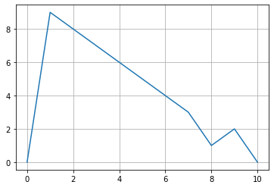
Tabu Search | 371 | 15.16463828 | [0,1,2,3,6,7,8,9,5,4,0] | 45 | 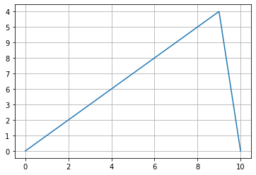
Genetic Algorithm | 234.7378518 | 11.5489522 | [9,8,5,6,7,4,3,2,0,1] | 44 | 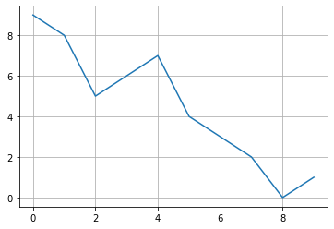
Simulated Annealing | 384 | 4.071726561 | [0,8,7,9,4,5,3,6,2,1,0] | 39 | 